summary
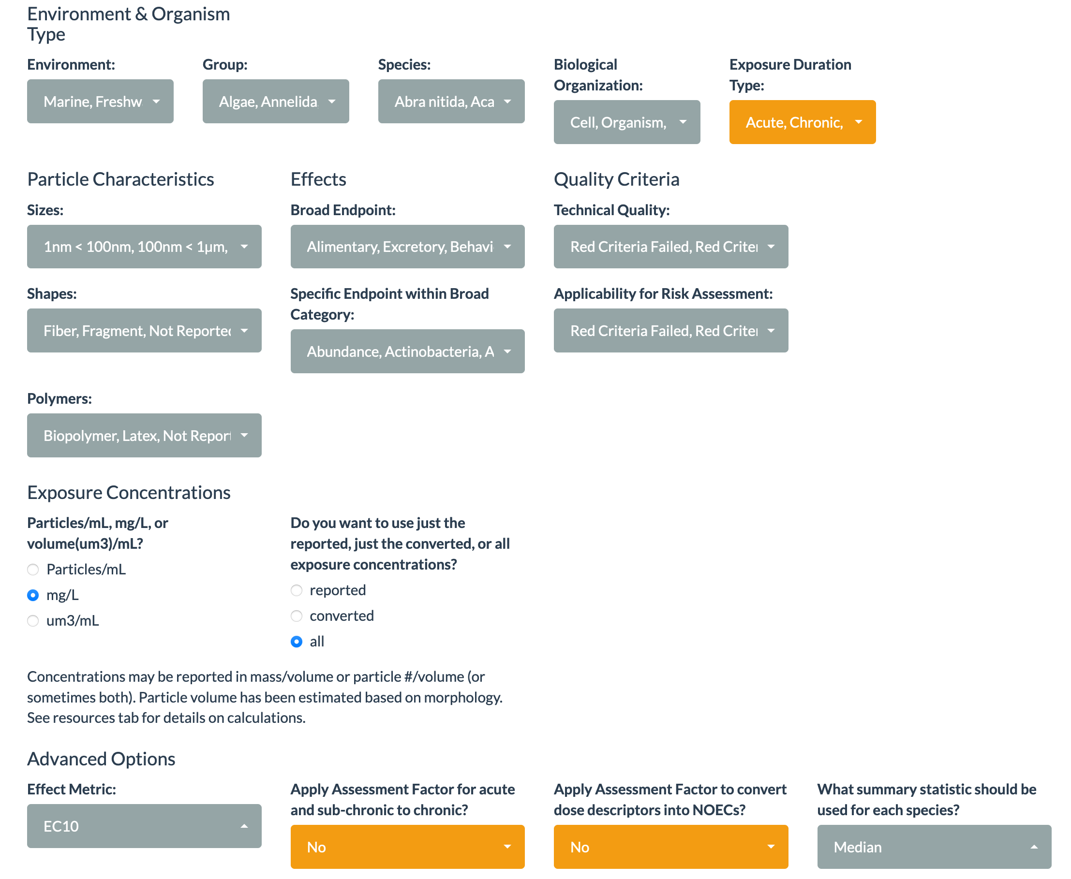
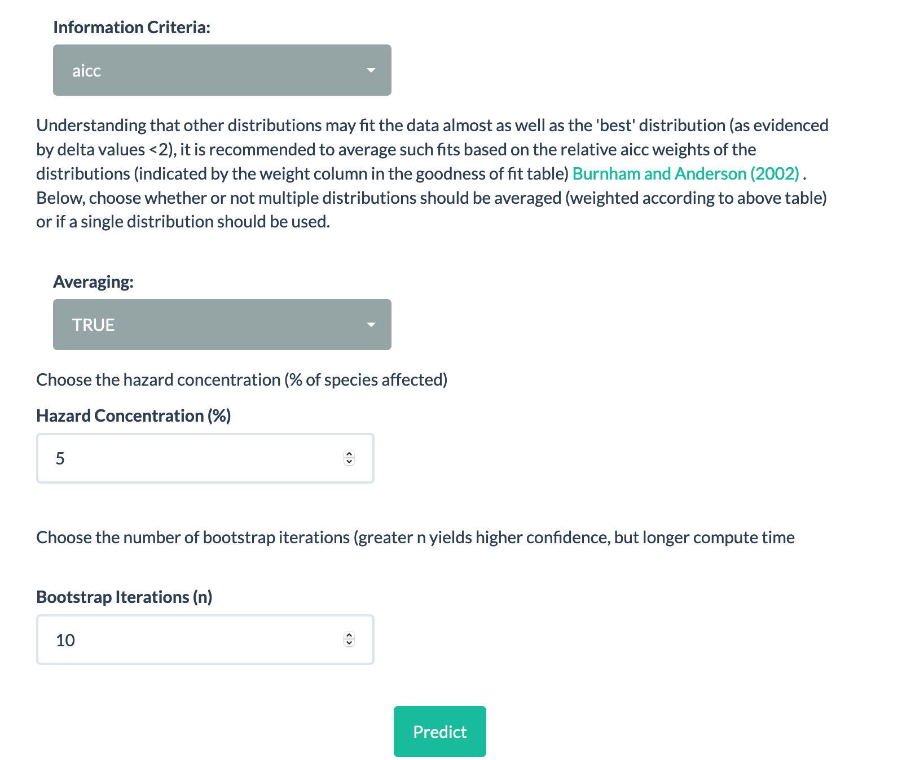
mass | HC5 | AFs
NOEC | 0.00139 | 1.0 |  | settings
HONEC | 0.0177 | 12.7
LOEC | 0.00512 | 3.7
EC50/MT50 | 0.0373 | 26.8

numerical | HC5 | AFs
NOEC | 0.034 | 1.0
HONEC | 0.0236 | 0.7
LOEC | 0.0777 | 2.3
EC50/EMT50 | 46.4 | 1364.7

volumetric | HC5 | AFs
NOEC | 843 | 1.0
HONEC | 5770 | 6.8
LOEC | 2550 | 3.0
EC50/EMT50 | 132 | 0.2 | attn: lower than NOEC!

